Sheet1
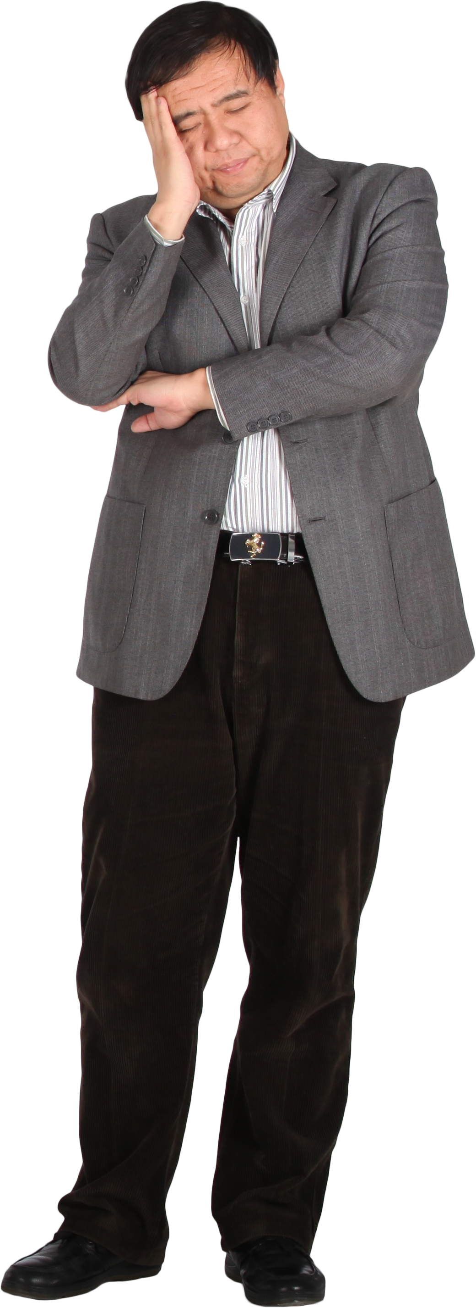
 |  | Answer Expected
Group | Fragment | Group | Word
1 | POW | 1 | MICROSOFT
1 | WER | 2 | DATABASE
1 | ERQ | 3 | ANALYTICS
1 | RQU
1 | QUE
1 | UER
Reconstruct the original word for each group so that each next fragment overlaps with the previous one by the maximum possible suffix-prefix match. For two fragments A and B, merge them using the longest overlap where:
suffix of A = prefix of B
Ex. POW + WER => POWER
1 | ERY
2 | MIC
2 | ICR
2 | CRO
2 | ROS
2 | OSO
2 | SOF
2 | OFT
3 | DAT
3 | ATA
3 | TAB
3 | ABA
3 | BAS
3 | ASE

